HA 1
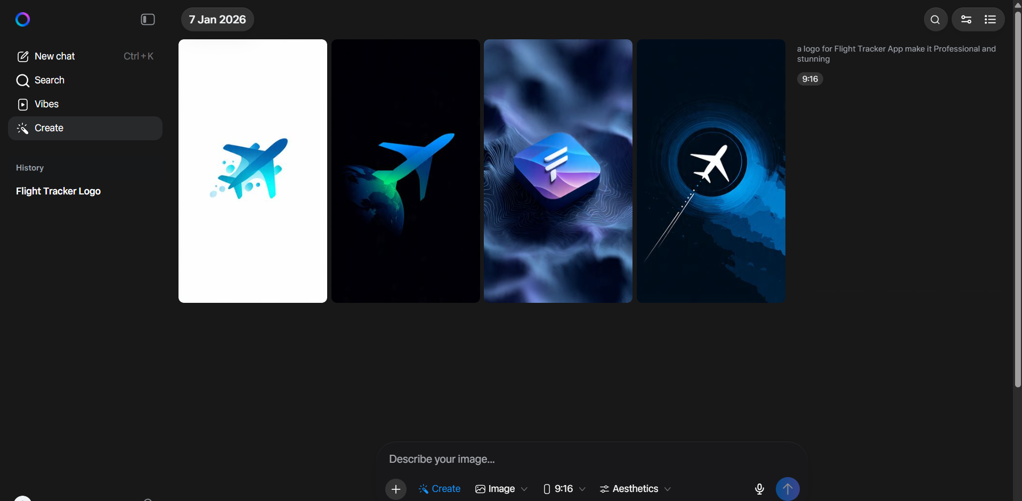
Claude Vison Model - Image/Logo Generation
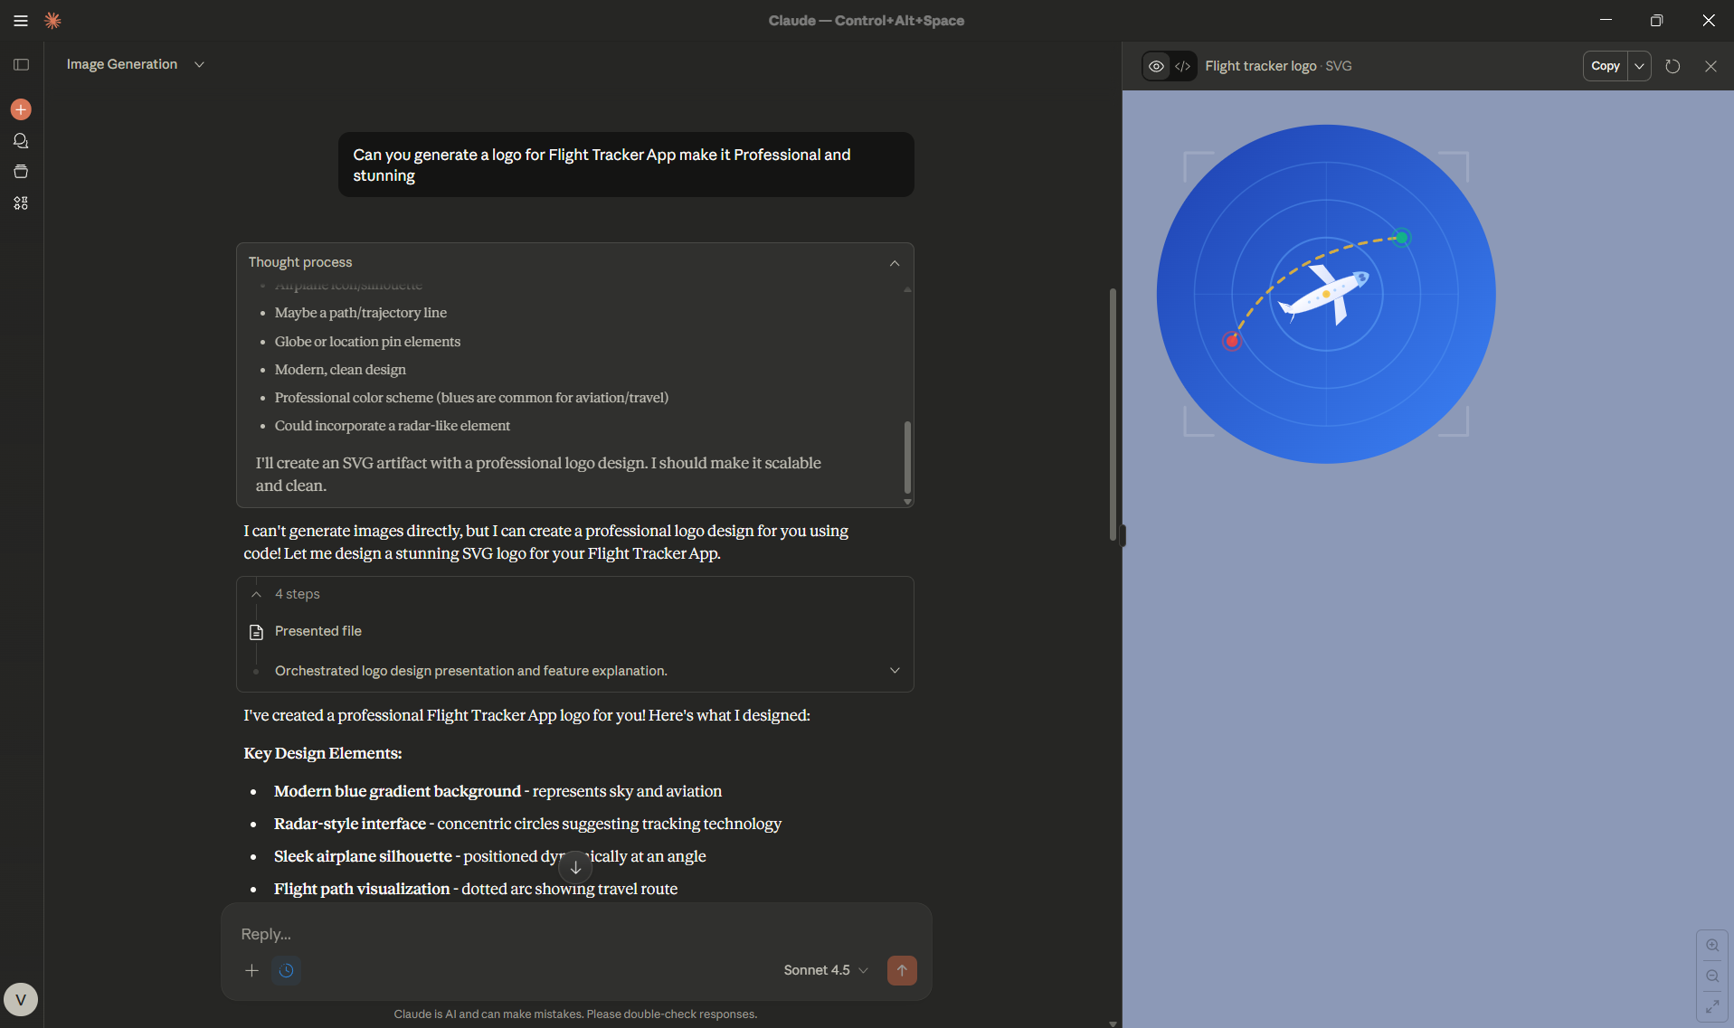

Gemini Vison Model - Image/Logo Generation

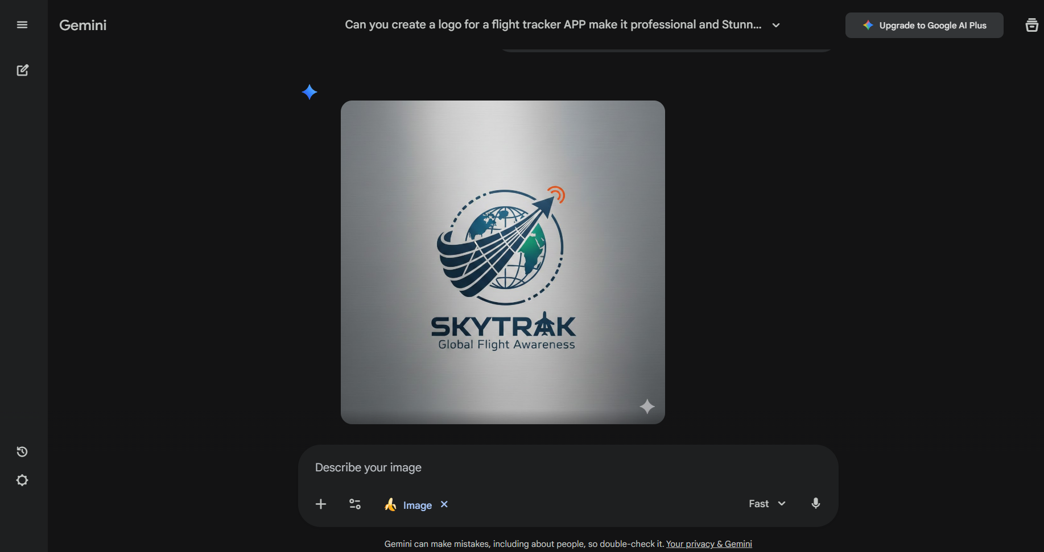

GhatGPT Vison Model - Image/Logo Generation

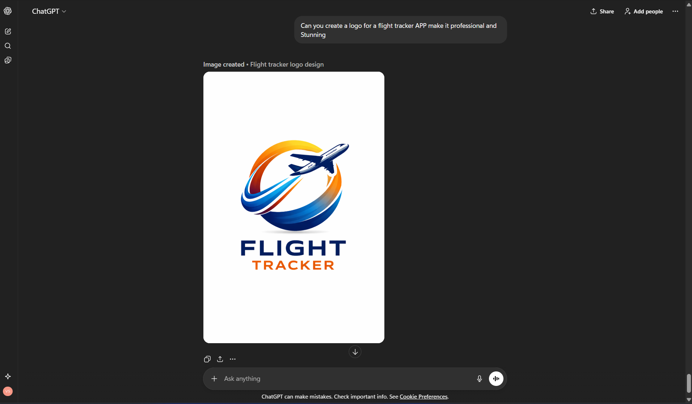

Leonardo Vison Model - Image/Logo Generation

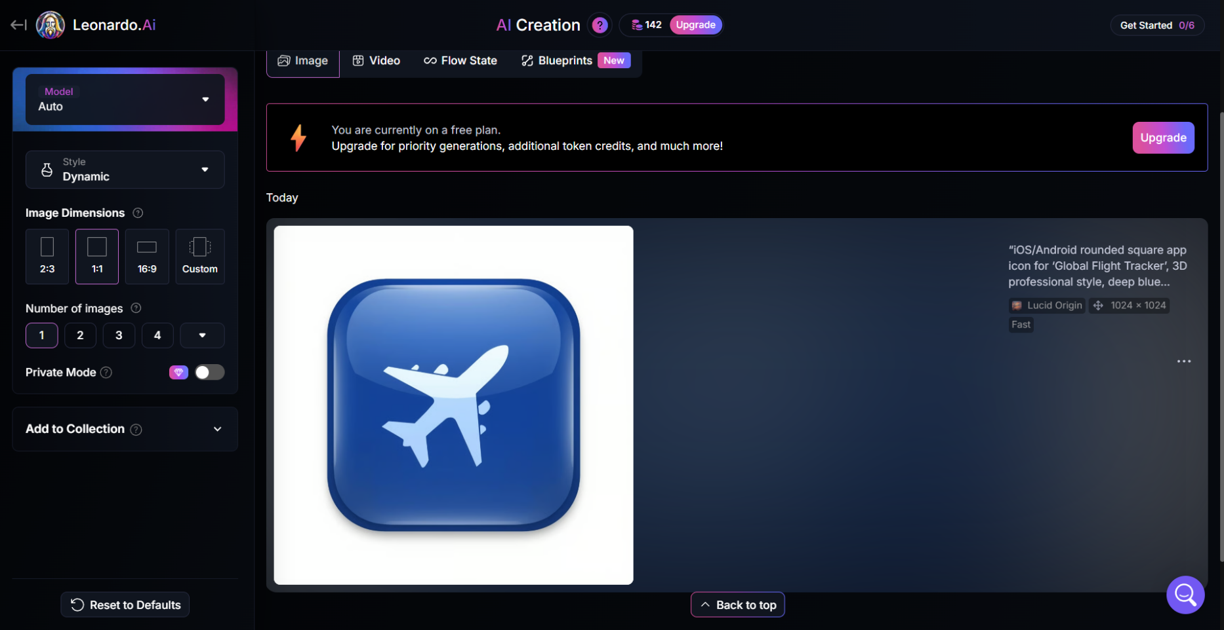

Preplexity Vison Model - Image/Logo Generation

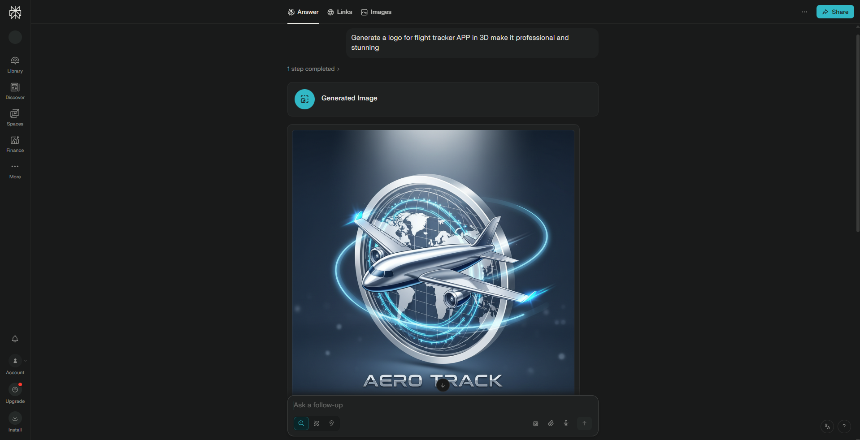

Qwen Vison Model - Image/Logo Generation

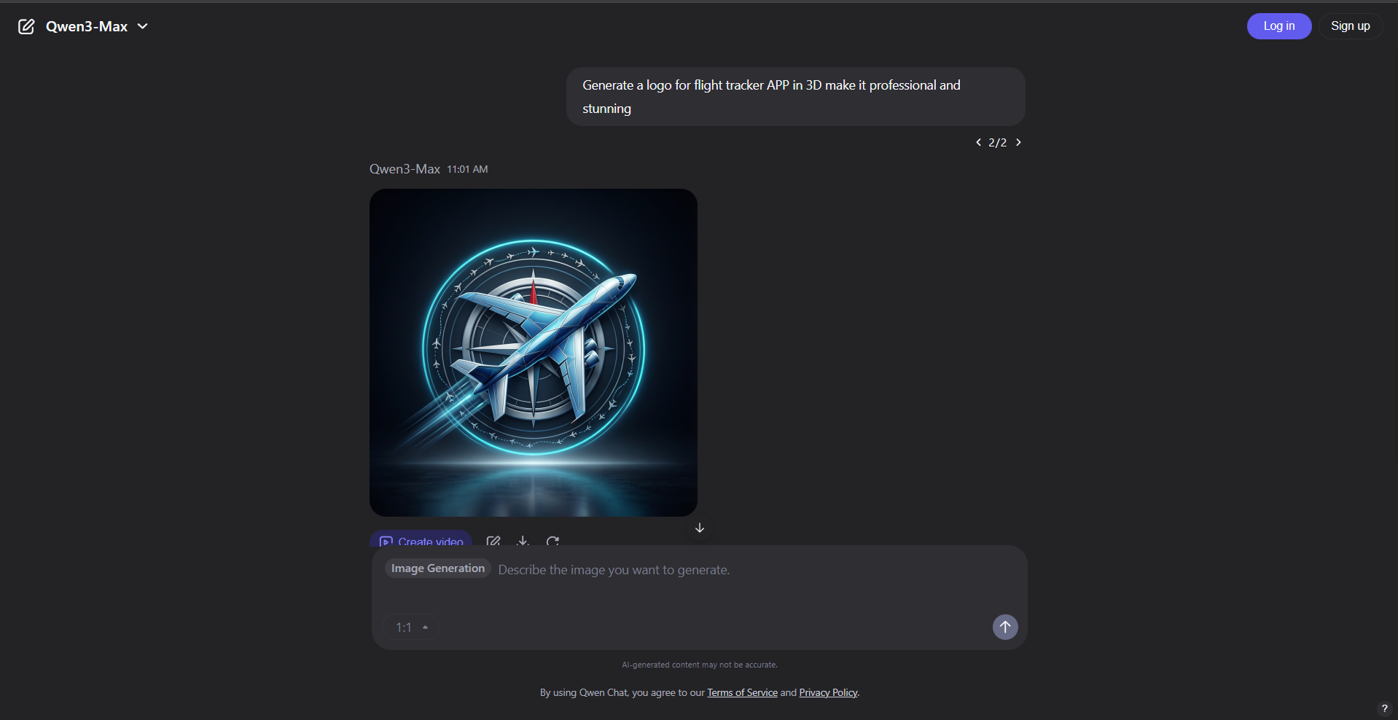

Meta Vison Model - Image/Logo Generation

HA 2
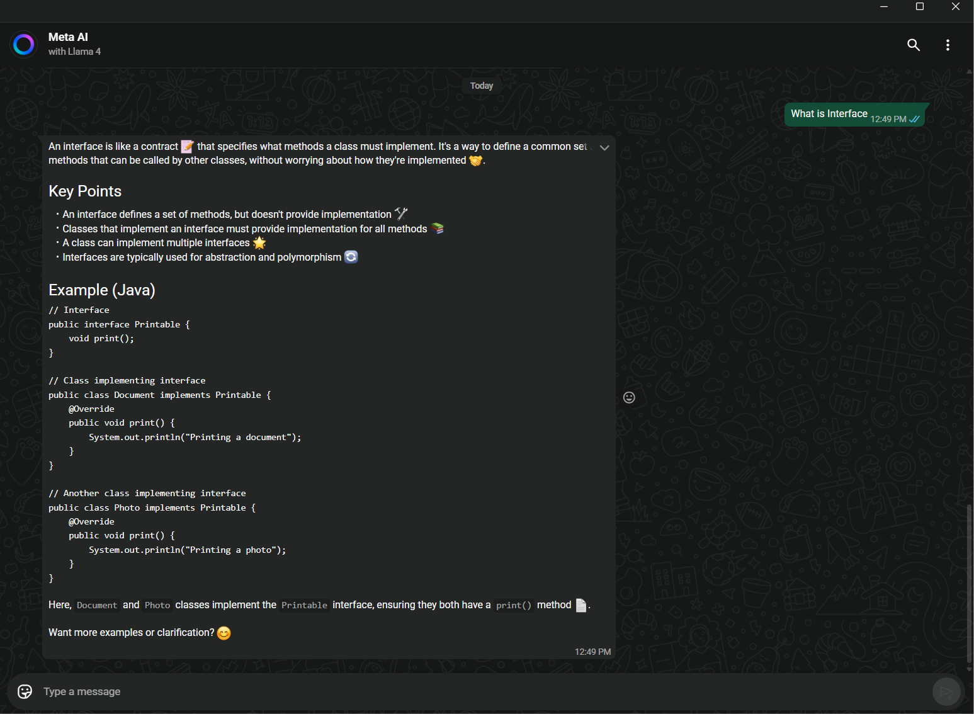
Meta Whatsapp AI Search

HA 3
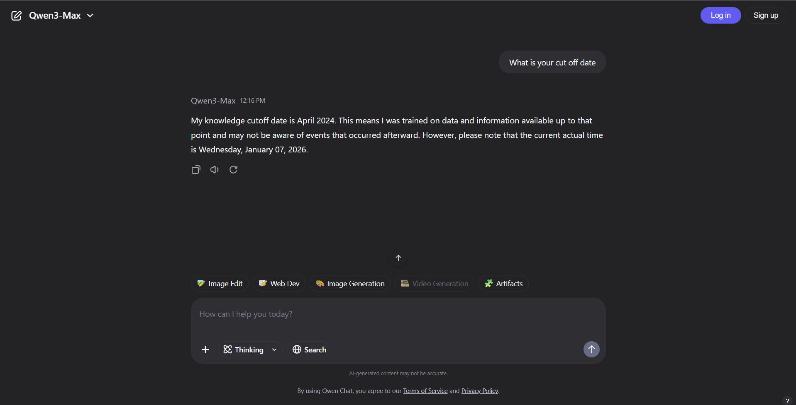
Cut off Date For ChatGPT

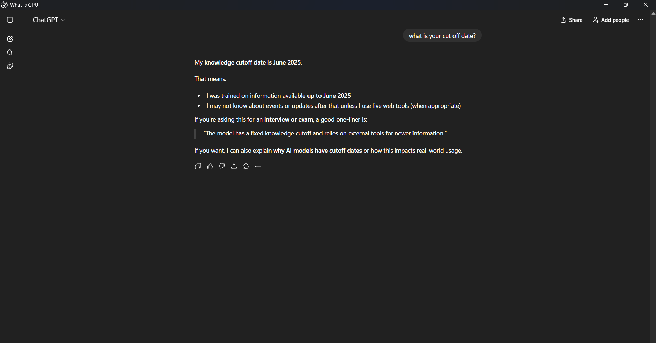

Cut off Date For Claude

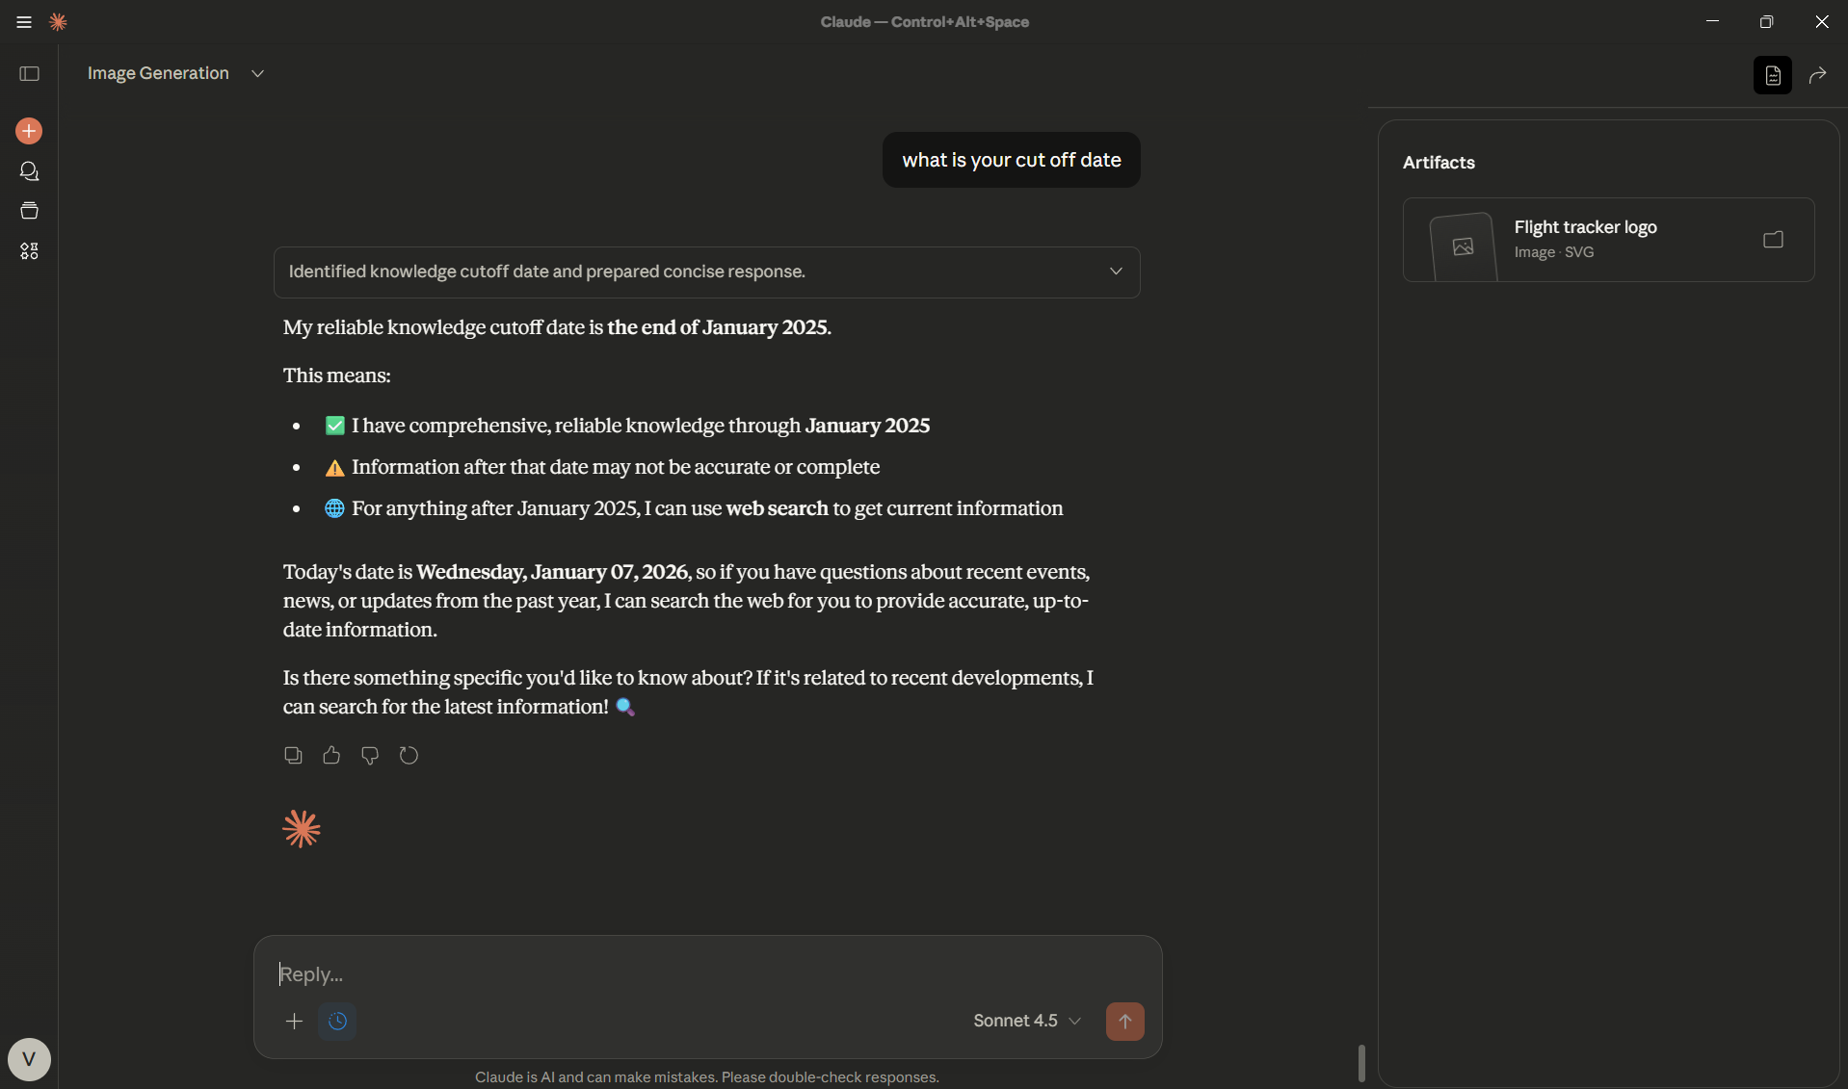

Cut off Date For DeepSeek

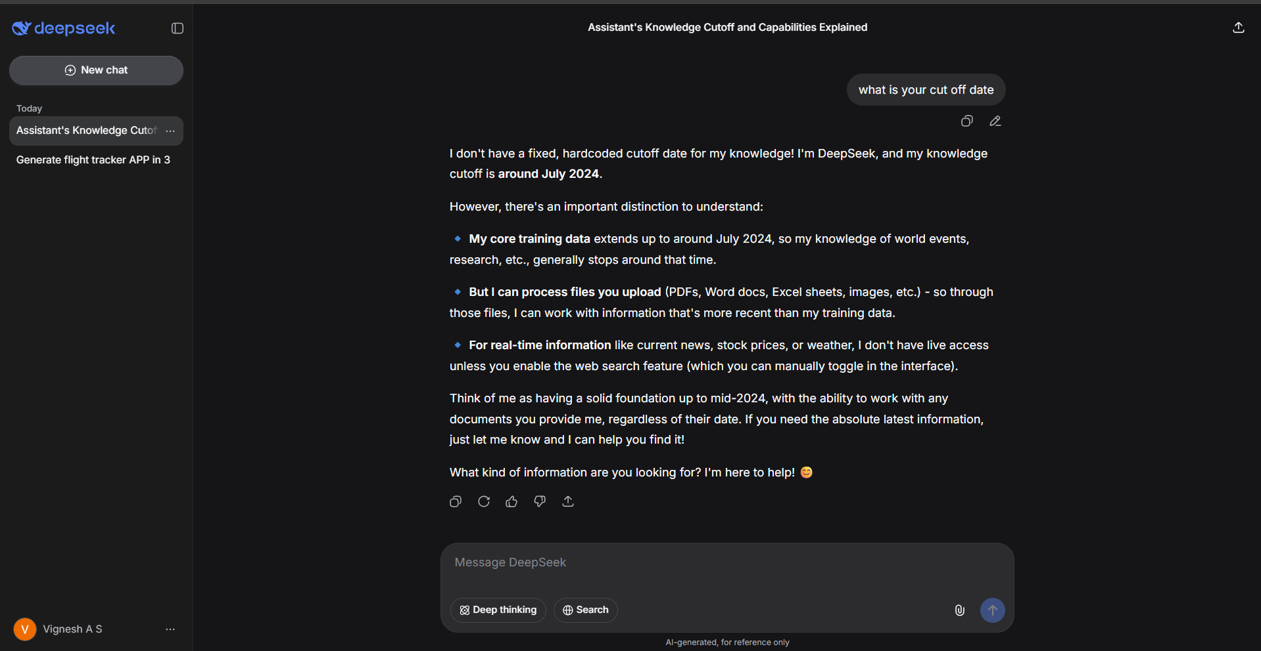

Cut off Date For Preplexity

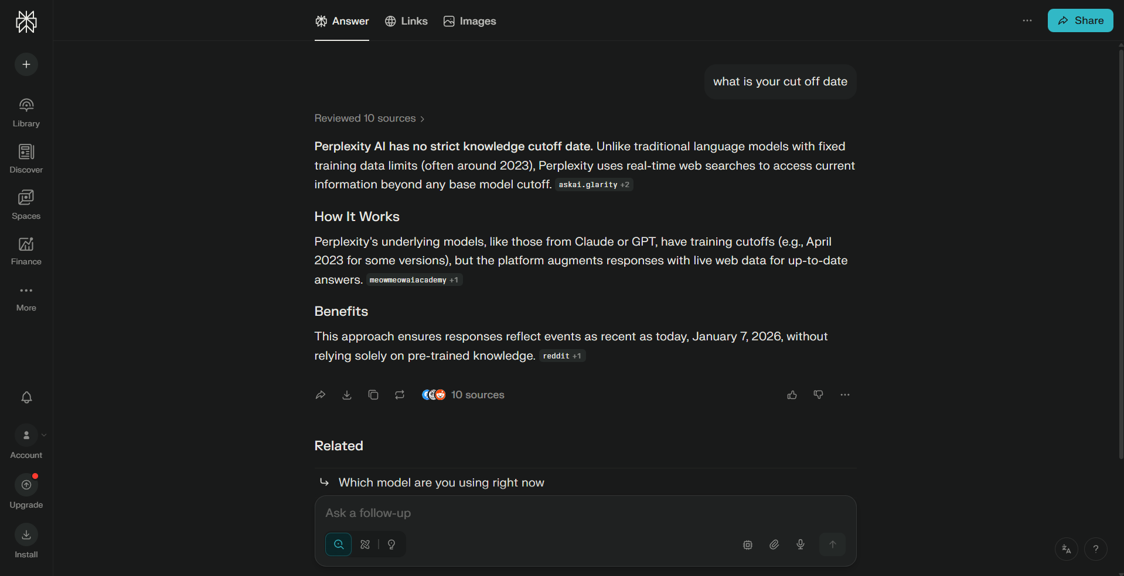

Cut off Date For Qwen

HA 4 - QWEN
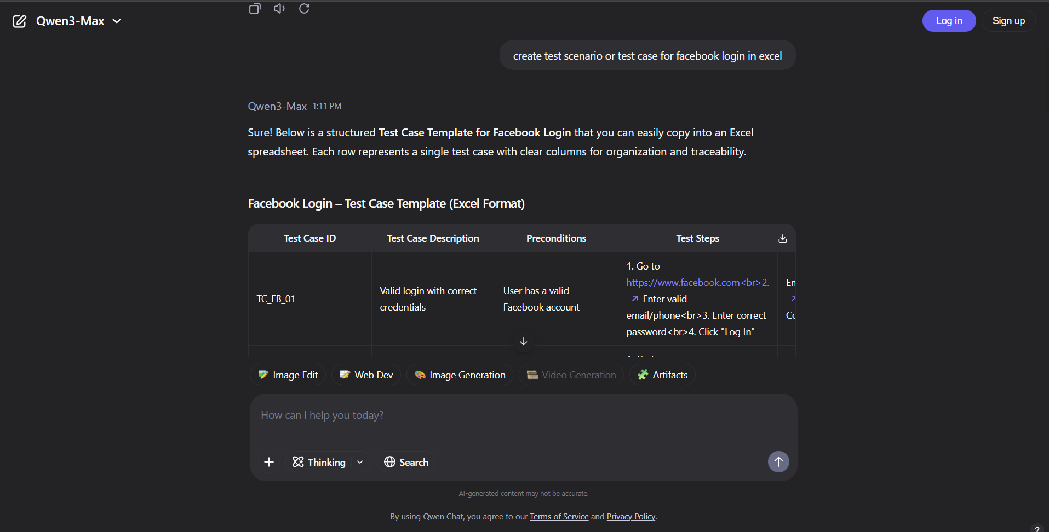
**Test Case ID** | **Test Case Description** | **Preconditions** | **Test Steps** | **Test Data** | **Expected Result** | **Actual Result** | **Status (Pass/Fail)**
TC_FB_01 | Valid login with correct credentials | User has a valid Facebook account | 1. Go to https://www.facebook.com<br>2. Enter valid email/phone<br>3. Enter correct password<br>4. Click "Log In" | Email: user@example.com<br>Password: CorrectPass123! | User is successfully logged in and redirected to the News Feed
TC_FB_02 | Login with incorrect password | User has a valid Facebook account | 1. Go to https://www.facebook.com<br>2. Enter valid email<br>3. Enter wrong password<br>4. Click "Log In" | Email: user@example.com<br>Password: WrongPass! | Error message: “The password you’ve entered is incorrect.”
TC_FB_03 | Login with unregistered email | — | 1. Go to https://www.facebook.com<br>2. Enter unregistered email<br>3. Enter any password<br>4. Click "Log In" | Email: notexist@domain.com<br>Password: AnyPass123 | Error message: “The email you entered isn’t connected to an account.”
TC_FB_04 | Login with empty email and password | — | 1. Go to https://www.facebook.com<br>2. Leave email and password blank<br>3. Click "Log In" | Email: (blank)<br>Password: (blank) | Error message: “The email or phone number you entered isn’t connected to an account.” (or similar validation)
TC_FB_05 | Login with valid email but empty password | User has a valid Facebook account | 1. Go to https://www.facebook.com<br>2. Enter valid email<br>3. Leave password blank<br>4. Click "Log In" | Email: user@example.com<br>Password: (blank) | Error: Password field is required
TC_FB_06 | Login with Facebook account locked | User account is temporarily locked (e.g., suspicious activity) | 1. Go to https://www.facebook.com<br>2. Enter credentials of locked account<br>3. Click "Log In" | Email: lockeduser@example.com<br>Password: CorrectPass123! | Redirected to account recovery or lockout page with instructions
TC_FB_07 | "Forgot Password?" link functionality | — | 1. Go to https://www.facebook.com<br>2. Click “Forgot Password?”<br>3. Enter email<br>4. Click “Search” | Email: user@example.com | Displays password reset options (email/SMS)
TC_FB_08 | Login with phone number instead of email | User registered with phone number | 1. Go to https://www.facebook.com<br>2. Enter phone number<br>3. Enter password<br>4. Click "Log In" | Phone: +1234567890<br>Password: CorrectPass123! | Successful login to News Feed
TC_FB_09 | Session persistence after login (remember me) | — | 1. Log in with “Keep me logged in” checked<br>2. Close browser<br>3. Reopen browser and go to facebook.com | Valid credentials | User remains logged in
TC_FB_10 | Login via Facebook mobile site (m.facebook.com) | — | 1. Go to https://m.facebook.com<br>2. Enter valid credentials<br>3. Tap “Log In” | Email: user@example.com<br>Password: CorrectPass123! | Successful login to mobile News Feed

HA 4 - DeepSeek
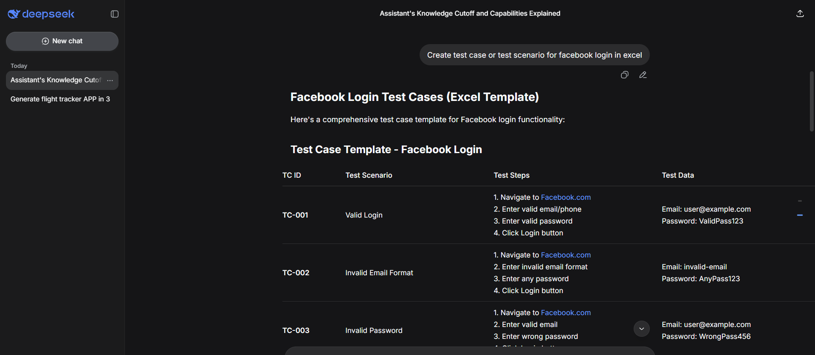
TC ID | Test Scenario | Test Steps | Test Data | Expected Result | Actual Result | Status | Priority | Test Type
TC-001 | Valid Login | 1. Navigate to Facebook.com | Email: user@example.com | User successfully logs in and redirected to news feed |  |  | High | Functional
 |  | 2. Enter valid email/phone | Password: ValidPass123
 |  | 3. Enter valid password
 |  | 4. Click Login button
TC-002 | Invalid Email Format | 1. Navigate to Facebook.com | Email: invalid-email | Error message: "The email or mobile number you entered isn't connected to an account." |  |  | Medium | Validation
 |  | 2. Enter invalid email format | Password: AnyPass123
 |  | 3. Enter any password
 |  | 4. Click Login button
TC-003 | Invalid Password | 1. Navigate to Facebook.com | Email: user@example.com | Error message: "The password you entered is incorrect" with "Forgotten password?" link |  |  | High | Security
 |  | 2. Enter valid email | Password: WrongPass456
 |  | 3. Enter wrong password
 |  | 4. Click Login button
TC-004 | Empty Email Field | 1. Navigate to Facebook.com | Email: (blank) | Error message: "The email or mobile number you entered isn't connected to an account." |  |  | Medium | Validation
 |  | 2. Leave email field empty | Password: TestPass123
 |  | 3. Enter password
 |  | 4. Click Login button
TC-005 | Empty Password Field | 1. Navigate to Facebook.com | Email: user@example.com | Error message: "The password field is empty" or similar |  |  | Medium | Validation
 |  | 2. Enter valid email | Password: (blank)
 |  | 3. Leave password empty
 |  | 4. Click Login button
TC-006 | Both Fields Empty | 1. Navigate to Facebook.com | Email: (blank) | Appropriate error messages for both fields |  |  | Low | Validation
 |  | 2. Leave both fields empty | Password: (blank)
 |  | 3. Click Login button
TC-007 | Case Sensitivity (Email) | 1. Navigate to Facebook.com | Email: USER@example.com (instead of user@example.com) | Login successful (email should be case-insensitive) |  |  | Low | Functional
 |  | 2. Enter email with different case | Password: ValidPass123
 |  | 3. Enter valid password
 |  | 4. Click Login button
TC-008 | Case Sensitivity (Password) | 1. Navigate to Facebook.com | Email: user@example.com | Login fails - password should be case-sensitive |  |  | High | Security
 |  | 2. Enter valid email | Password: VALIDPASS123 (instead of ValidPass123)
 |  | 3. Enter password with wrong case
 |  | 4. Click Login button
TC-009 | SQL Injection Attempt | 1. Navigate to Facebook.com | Email: ' OR '1'='1 | Login fails with appropriate error, no SQL execution |  |  | Critical | Security
 |  | 2. Enter SQL injection in email field | Password: any
 |  | 3. Enter any password
 |  | 4. Click Login button
TC-010 | XSS Attempt | 1. Navigate to Facebook.com | Email: <script>alert('xss')</script> | Script should not execute, login fails safely |  |  | Critical | Security
 |  | 2. Enter XSS script in email field | Password: any
 |  | 3. Enter any password
 |  | 4. Click Login button
TC-011 | Remember Me Function | 1. Navigate to Facebook.com | Email: user@example.com | Email field should be pre-filled on return |  |  | Medium | Functional
 |  | 2. Enter credentials | Password: ValidPass123
 |  | 3. Check "Remember me" | Remember me: Checked
 |  | 4. Login, logout, revisit
TC-012 | Forgot Password Link | 1. Navigate to Facebook.com | Email: user@example.com | Redirect to password recovery page with instructions |  |  | High | Functional
 |  | 2. Click "Forgotten password?"
 |  | 3. Enter email/phone
 |  | 4. Follow recovery steps
TC-013 | Create New Account Link | 1. Navigate to Facebook.com | N/A | Redirect to registration page |  |  | Medium | Functional
 |  | 2. Click "Create new account"
TC-014 | Login with Phone Number | 1. Navigate to Facebook.com | Phone: +1234567890 | Login successful |  |  | High | Functional
 |  | 2. Enter registered phone number | Password: ValidPass123
 |  | 3. Enter valid password
 |  | 4. Click Login button
TC-015 | Special Characters in Password | 1. Navigate to Facebook.com | Email: user@example.com | Login successful if password contains special chars |  |  | Medium | Functional
 |  | 2. Enter valid email | Password: P@ssw0rd!#$
 |  | 3. Enter password with special chars
 |  | 4. Click Login button
TC-016 | Maximum Length Test | 1. Navigate to Facebook.com | Email: a...255chars...@test.com | Appropriate validation/truncation or error message |  |  | Low | Boundary
 |  | 2. Enter very long email (255+ chars) | Password: p...100chars...
 |  | 3. Enter very long password (100+ chars)
 |  | 4. Click Login button
TC-017 | Login via Mobile App (if applicable) | 1. Open Facebook app | Email: user@example.com | Login successful in mobile app |  |  | High | Cross-Platform
 |  | 2. Enter valid credentials | Password: ValidPass123
 |  | 3. Tap Login
TC-018 | Browser Back Button After Login | 1. Login successfully | Valid credentials | Should remain logged in or return to news feed |  |  | Medium | Usability
 |  | 2. Click browser back button
 |  | 3. Try to go forward
TC-019 | Session Timeout | 1. Login successfully | Valid credentials | Session expired, prompted to login again |  |  | Medium | Security
 |  | 2. Wait 1-2 hours inactive
 |  | 3. Try to perform an action
TC-020 | Concurrent Logins | 1. Login from Browser A | Same credentials on two devices | Both may work or one may be logged out |  |  | Medium | Security
 |  | 2. Simultaneously login from Browser B
 |  | 3. Check both sessions
TC-021 | Incorrect Attempts Lockout | 1. Enter wrong password 5+ times consecutively | Email: user@example.com | Account temporarily locked, "Try again later" message |  |  | High | Security
 |  | 2. Try correct password after lockout | Wrong passwords 5 times
TC-022 | Login with Facebook Business Account | 1. Navigate to Facebook.com | Business email/credentials | Login successful, redirected to appropriate business interface |  |  | Medium | Functional
 |  | 2. Enter business account credentials
 |  | 3. Click Login
TC-023 | Copy-Paste in Fields | 1. Copy email from source | Copied valid credentials | Login successful, pasting should work in both fields |  |  | Low | Usability
 |  | 2. Paste in email field
 |  | 3. Copy password from source
 |  | 4. Paste in password field
 |  | 5. Login
TC-024 | Tab Navigation | 1. Navigate to Facebook.com | Valid credentials | Tab should move: Email → Password → Login button → Links |  |  | Low | Accessibility
 |  | 2. Use Tab key to move between fields
 |  | 3. Enter credentials using keyboard only
TC-025 | Login from Different IP/Location | 1. Login from new location/VPN | Valid credentials from new IP | Login successful, may trigger security notification email |  |  | Medium | Security
 |  | 2. Check for security notification

HA 4 - ChatGPT
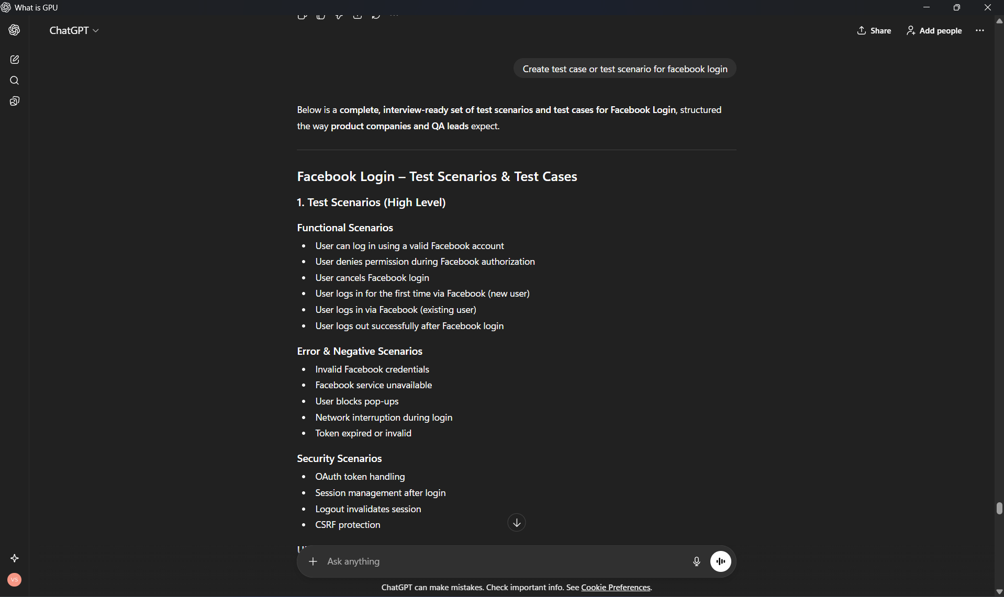
TC ID | Test Case | Expected Result
FB-01 | Verify Facebook Login button is visible | Button displayed with Facebook branding
FB-02 | Click Facebook Login button | User redirected to Facebook OAuth page
FB-03 | Verify correct Facebook app name is shown | App name matches registered app
FB-04 | Verify permissions listed | Email, profile info clearly shown
FB-05 | Login with valid Facebook credentials | User logged in successfully
FB-06 | First-time Facebook login | New user account created
FB-07 | Existing user Facebook login | User logged into existing account
FB-08 | Verify user redirected to dashboard | Correct landing page
FB-09 | Verify user profile details | Name/email populated correctly
FB-10 | User clicks “Cancel” on Facebook auth | Login aborted, user returned to app
FB-11 | User denies permissions | Error message shown
FB-12 | Partial permissions granted | App behavior matches requirements
FB-13 | Invalid Facebook credentials | Error shown by Facebook
FB-14 | Facebook servers down | Graceful error message
FB-15 | Network disconnected mid-login | Retry or error displayed
FB-16 | Pop-up blocked by browser | User informed to allow pop-ups
FB-17 | Verify access token stored securely | Token not exposed in UI
FB-18 | Token expiration handling | User asked to re-authenticate
FB-19 | Refresh token flow | Session continues without login
FB-20 | Logout after Facebook login | Session invalidated
FB-21 | Facebook login on Chrome | Works as expected
FB-22 | Facebook login on Safari | Works as expected
FB-23 | Facebook login on mobile | Responsive and functional
FB-24 | Private/Incognito mode | Login behavior correct
FB-25 | Verify HTTPS enforced | No mixed content
FB-26 | CSRF token validation | Requests protected
FB-27 | Session fixation prevention | New session created post-login
FB-28 | Logout from Facebook separately | App session behavior verified

HA 5
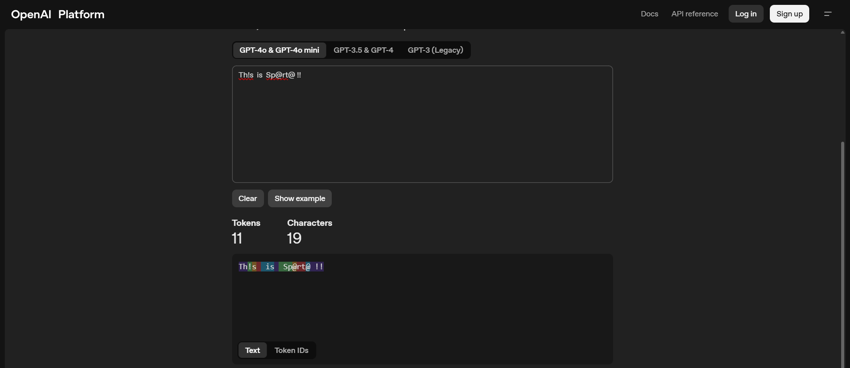
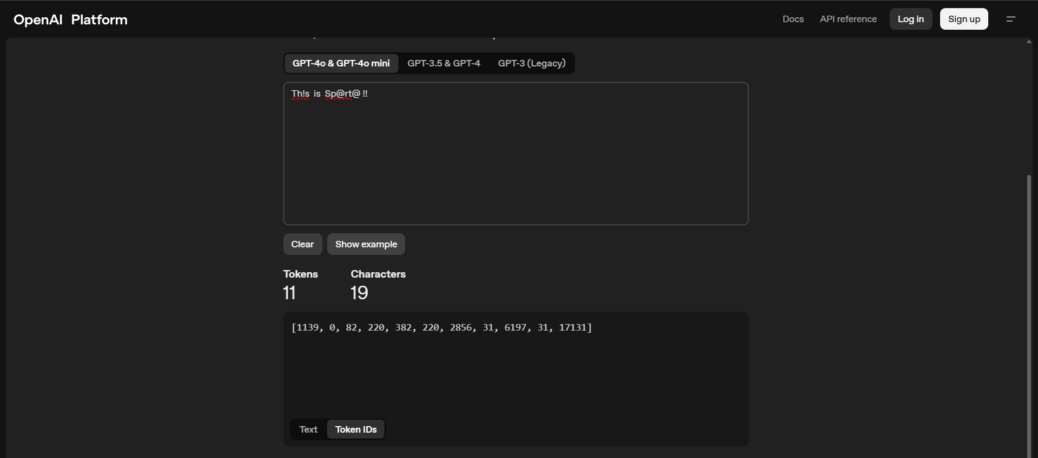
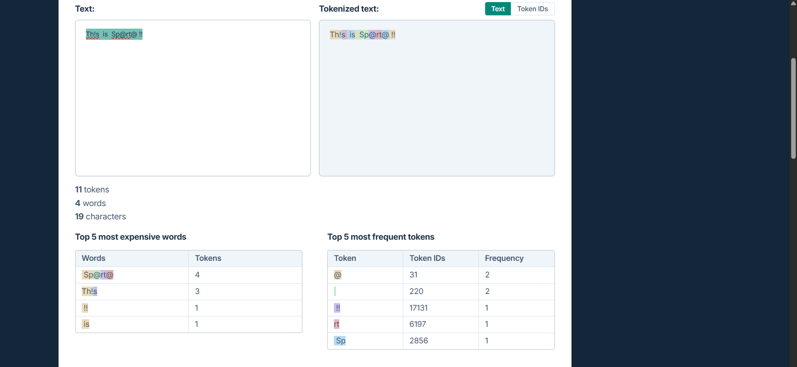
Without Spaces

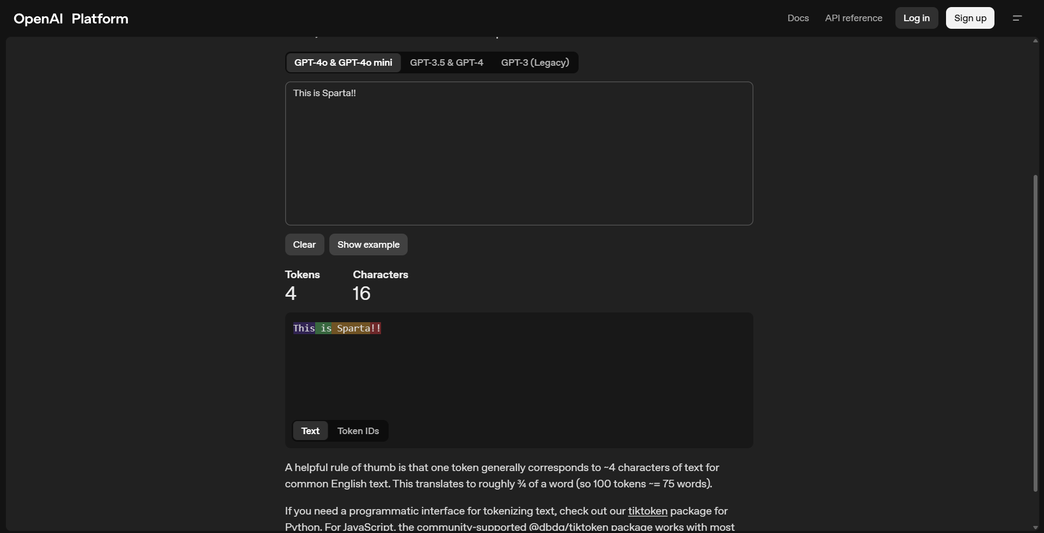

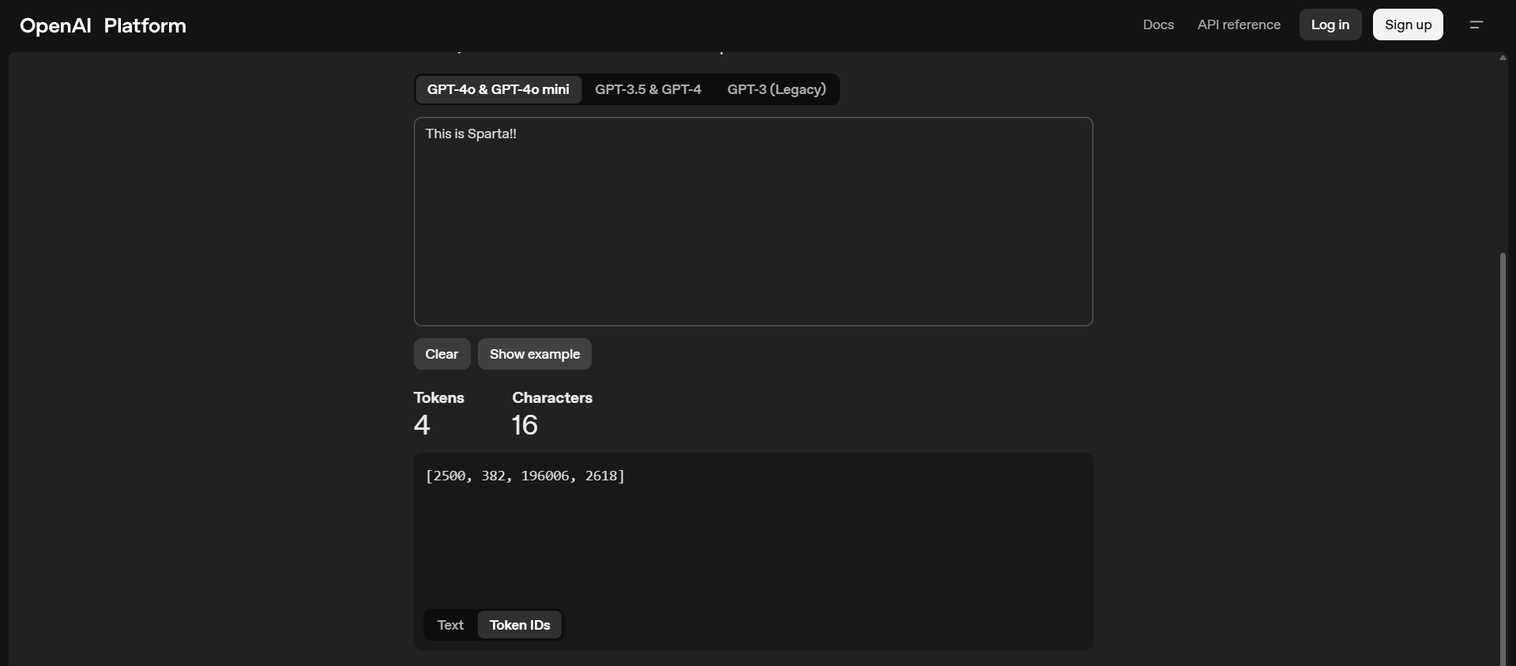

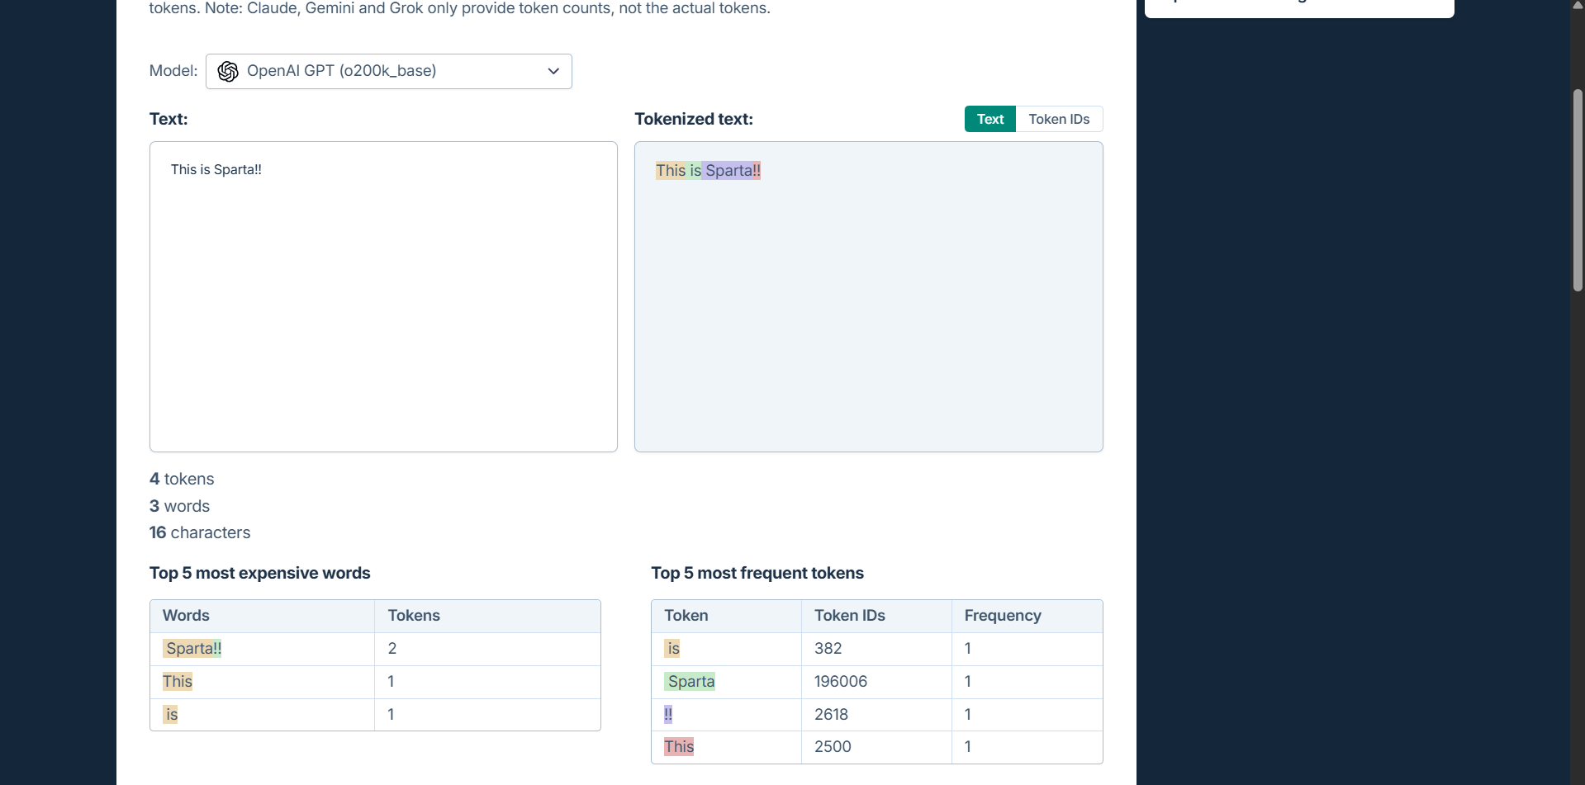

With Spaces

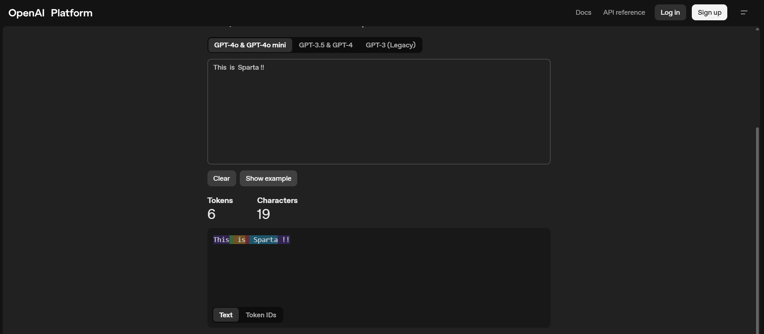

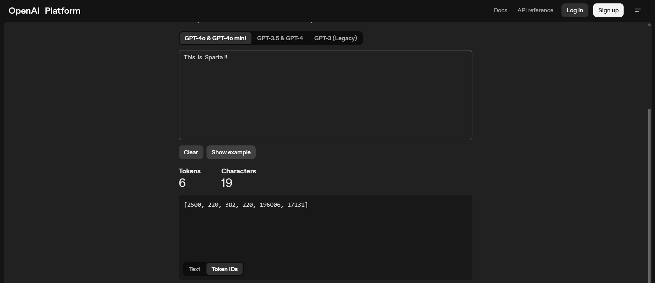

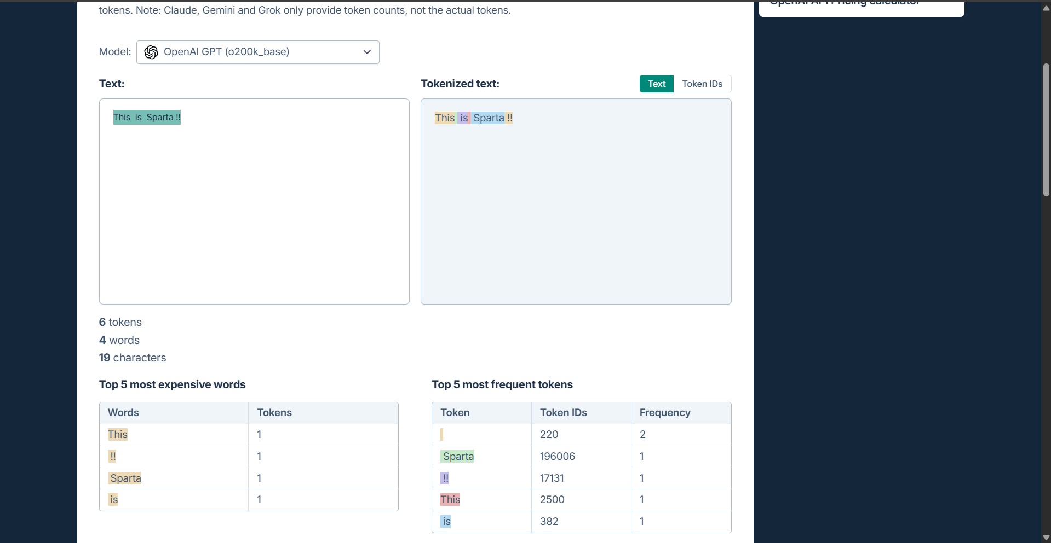

With Special Characters

